英文报价单
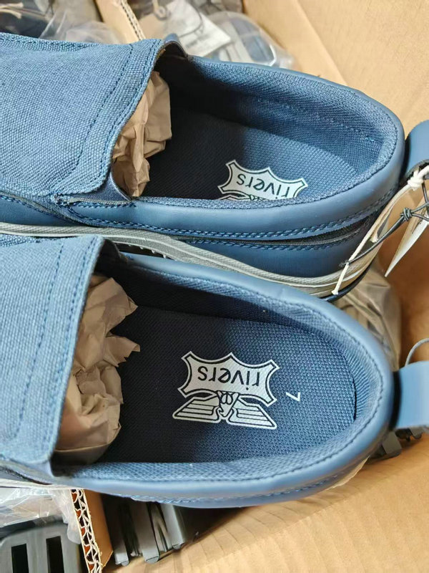
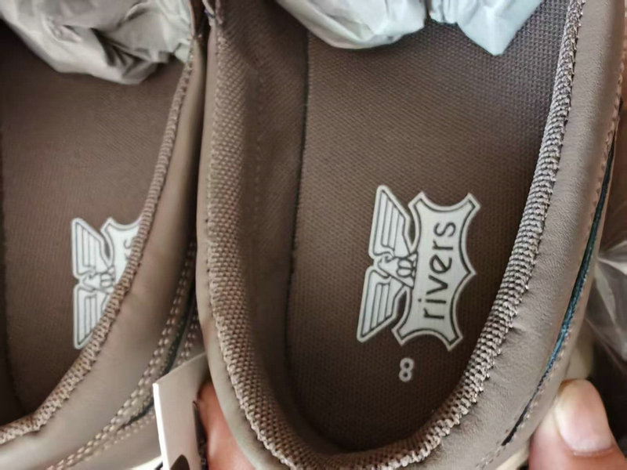
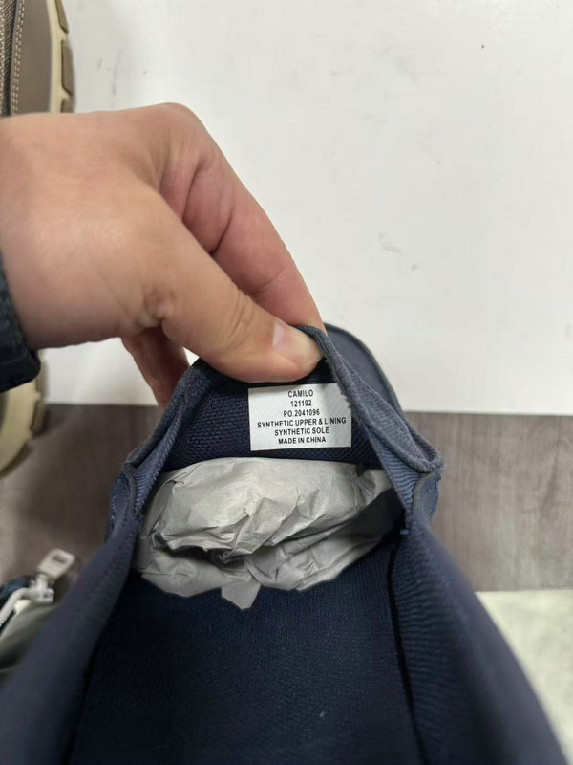

Color | Product Pic. | 7 | 8 | 9 | 10 | 11 | 12 | 13 | Prs/Ctn | Ctns | Qty Total
NAVY | 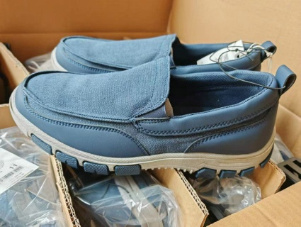 | 1 | 1 | 3 | 3 | 2 | 1 | 1 | 12 | 50 | 600
 |  | 1 | 1 | 3 | 4 | 3 | 2 | 1 | 15 | 41 | 615
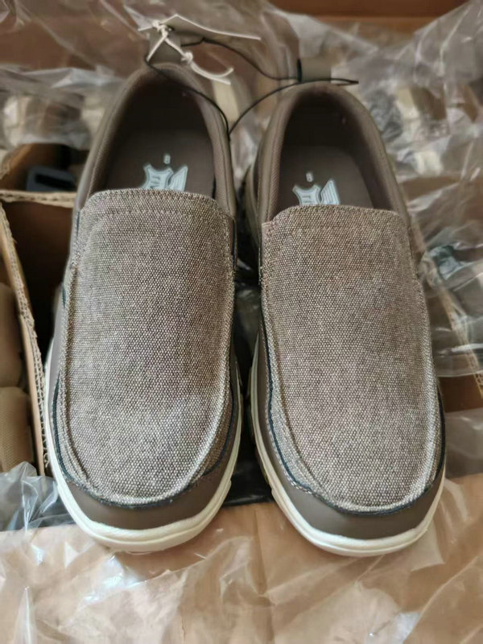
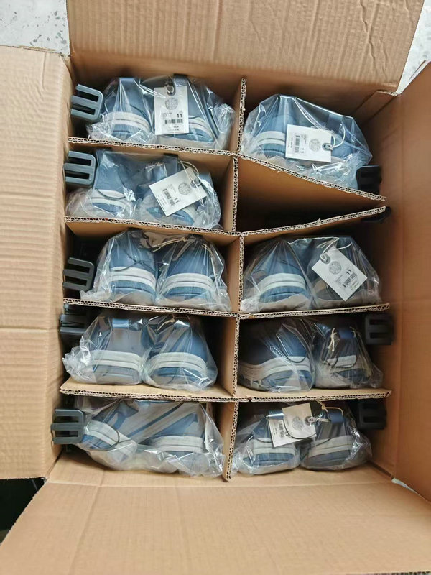
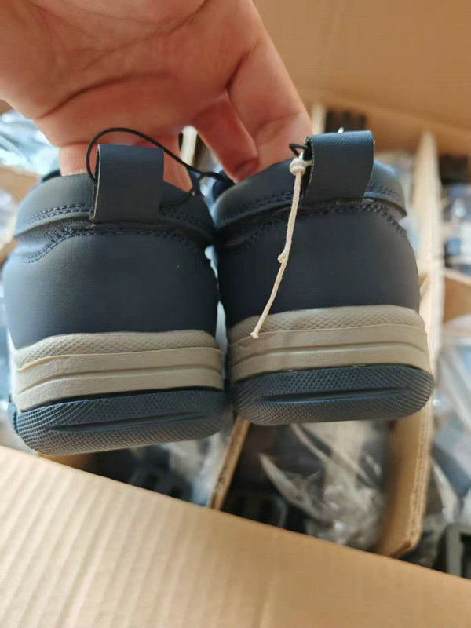
 |  | 22 | 32 | 64 | 75 | 53 | 32 | 22 | 10 | 30 | 300
KHAKI |  | 1 | 1 | 3 | 3 | 2 | 1 | 1 | 12 | 129 | 1548
 | 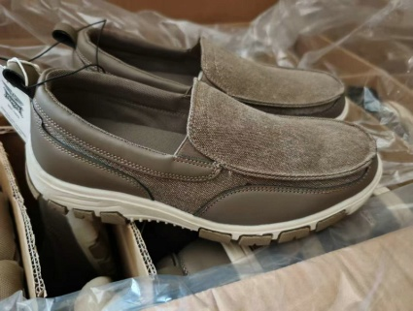 | 1 | 1 | 3 | 4 | 3 | 2 | 1 | 15 | 41 | 615
 |  | 23 | 29 | 69 | 75 | 52 | 29 | 23 | 10 | 30 | 300
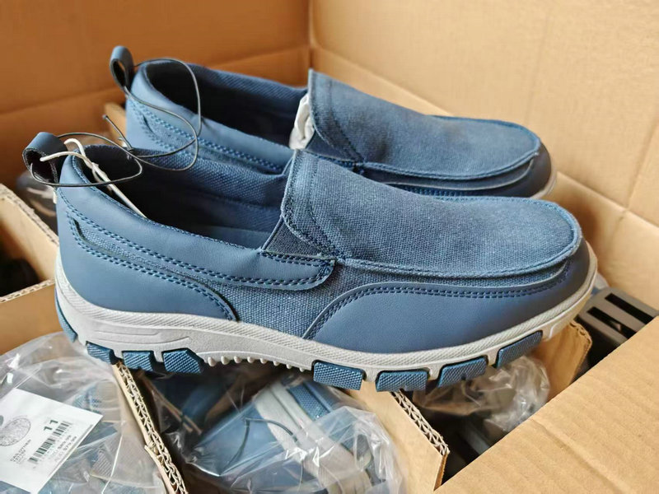
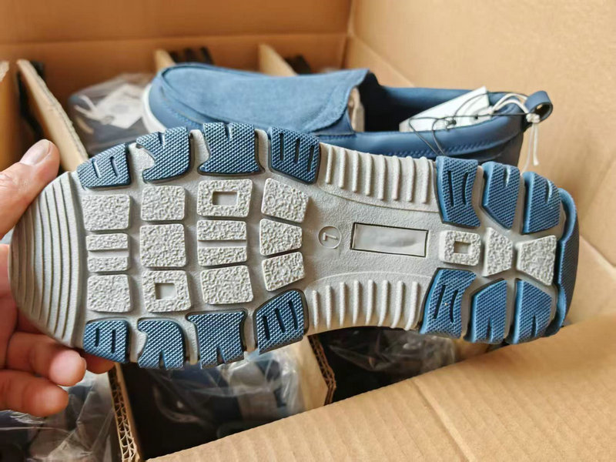
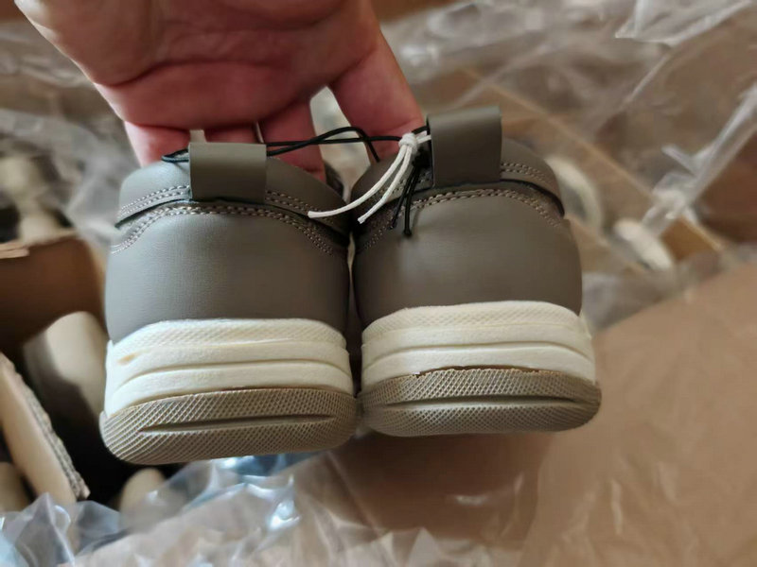
 |  |  |  |  |  |  |  |  |  | 321 | 3978

